Sheet1
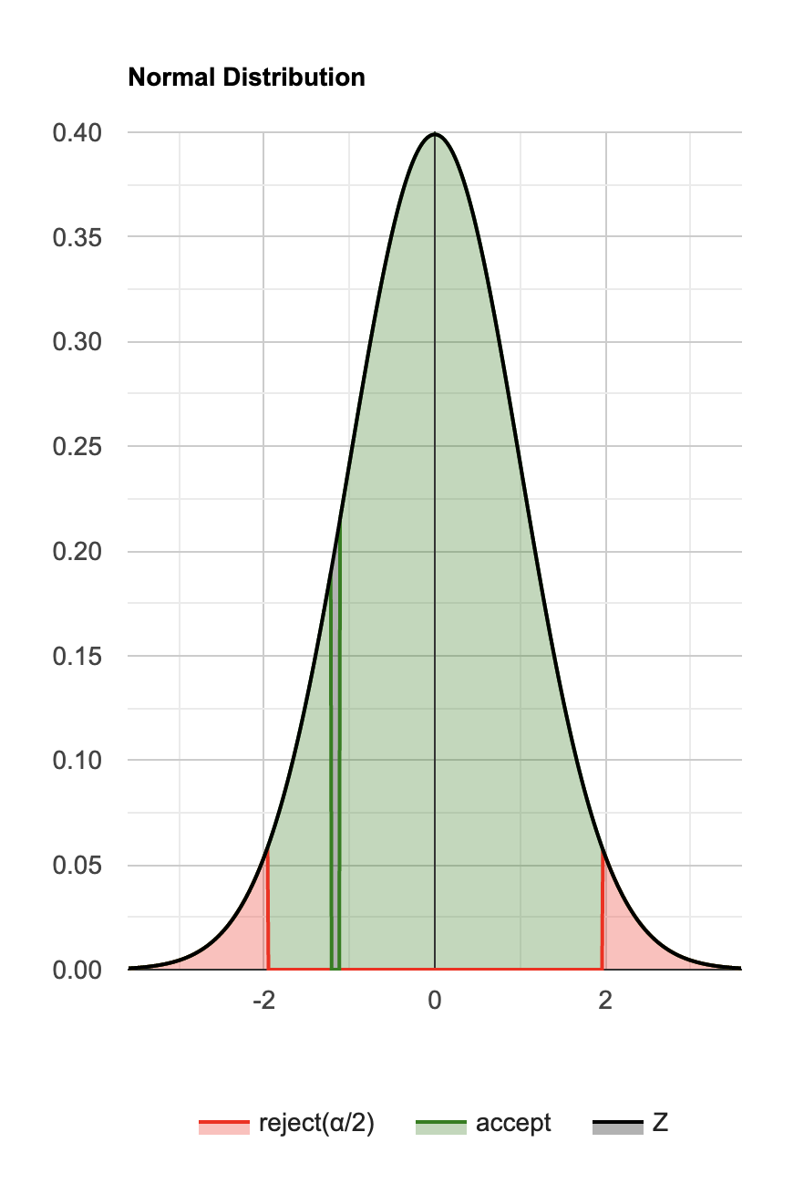
NaiveBayes | MultilayerPerc[18,7,5] | Difference
76.3 | 75.39 | 0.91
75.26 | 75.39 | -0.13
76.17 | 74.61 | 1.56 | Kolmogorov-Smirnov Test Calculator
75.52 | 74.86 | 0.66 | Lilliefors test, using lilliefors distribution (right-tailed)
75.13 | 75.39 | -0.26
75.78 | 74.86 | 0.92 | 1. H0 hypothesis
76.17 | 74.86 | 1.31 | Since p-value<α, we reject the H0.
75.26 | 75.13 | 0.13 | It is assumed that the data distribution is not normal.
76.04 | 73.17 | 2.87 | In other words, the difference between the data sample and the normal distribution is big enough to be statistically significant.
75.91 | 75.39 | 0.52
 |  |  | 2. P-value

 |  |  | The p-value equals 0.0008331, ( P(x≤0.2627) = 0.9992 ). It means that the chance of type I error (rejecting a correct H0) is small: 0.0008331 (0.083%). The smaller the p-value the more it supports H1.

 |  |  | 3. Test statistic

 |  |  | The test statistic D equals 0.2627, which is not in the 95% region of acceptance: [-∞ : 0.1927].
 |  |  | The test statistic K equals 1.175. (K = D√n)

 |  |  | 4. Effect size

 |  |  | The observed effect size D is large, 0.263. This indicates that the magnitude of the difference between the sample distribution and the normal distribution is large.

Two dependent samples, non-parametric paired test

Wilcoxon Signed-Rank, using Normal distribution (n=16.0000) (two-tailed) (validation)

The normal approximation is used. The statistic's distribution is N(68.000,19.3102).
μ = n(n+1)/4 = 16(16+1)/4, σ2 = n(n+1)(2n+1)/24 - Cties = 16(16+1)(2*16+1)/24 - 1.125.
Z=(W- - μ + Ccontinuity)/σ = (45 - 68.000 + 0.5)/19.310.
The data contains ties, identical values, it is recommended to use the normal approximation that uses the ties correction.

1. H0 hypothesis
Since p-value > α, H0 is accepted.
The value of MLP minus NaivBayes' population is considered to be equal to the Expected difference (μ0).
In other words, the difference between the value of the MLP minus NaivBayes and Expected difference (μ0) is not big enough to be statistically significant.

2. P-value
The p-value equals 0.243938, ( p(x≤Z) = 0.121969 ). It means that the chance of type I error, rejecting a correct H0, is too high: 0.2439 (24.39%).
The larger the p-value the more it supports H0.

3. The statistics
The test statistic Z equals -1.165201, which is in the 95% region of acceptance: [-1.9600 : 1.9600].
W-=45.00, is in the 95% region of acceptance: [30.1500 : 105.8500].

4. Effect size
The observed standardized effect size, Z/√n, is small (0.29). That indicates that the magnitude of the difference between the value from NaivBayes and the value from MLP is small.
The observed common language effect size, 2W-/(n(1+n)), is 0.33, this is the probability that a random value from NaivBayes is greater than its corresponding value from MLP.

